Indices

 | Iraq Stock Exchange
 | Bulletin No (166)

 | ISX Trading Indices of Sunday 21/9/2025

 | Traded Volume and OTC |  | 849,210,154 |  | Traded Value and OTC |  | 1,136,404,713 |  | Traders | 896

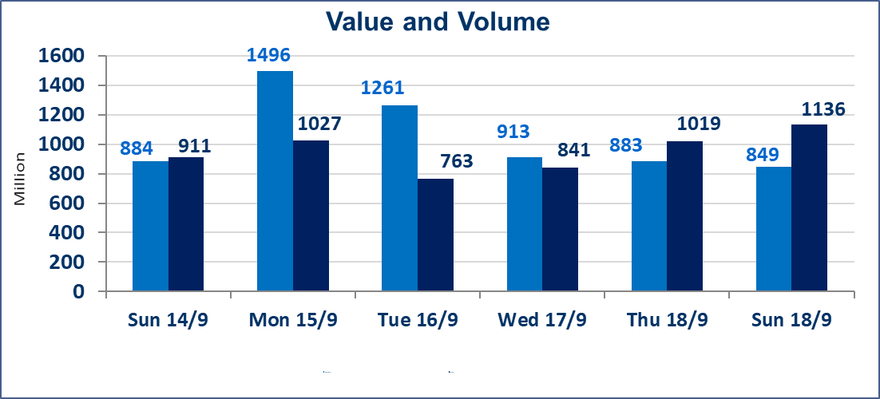
 | ISX Index 60 |  |  | 967.34 | ISX Index 15 |  |  | 1134.49
 | Previous ISX Index60 |  |  | 964.26 | Previous ISX Index15 |  |  | 1128.11
 | Change % |  |  | 0.32 | Change % |  |  | 0.57
 | Change |  |  | 3.08 | Change |  |  | 6.38

 | Listed Companies | 104 | OTC | 11 | Non Traded listed | 40 | OTC | 10
 | Traded Listed Companies | 45 | OTC | 0 | Higher Companies |  |  | 12
 | GAM Companies |  |  | 8 | Lower Companies |  |  | 7
 | Suspended Companies |  |  | 11
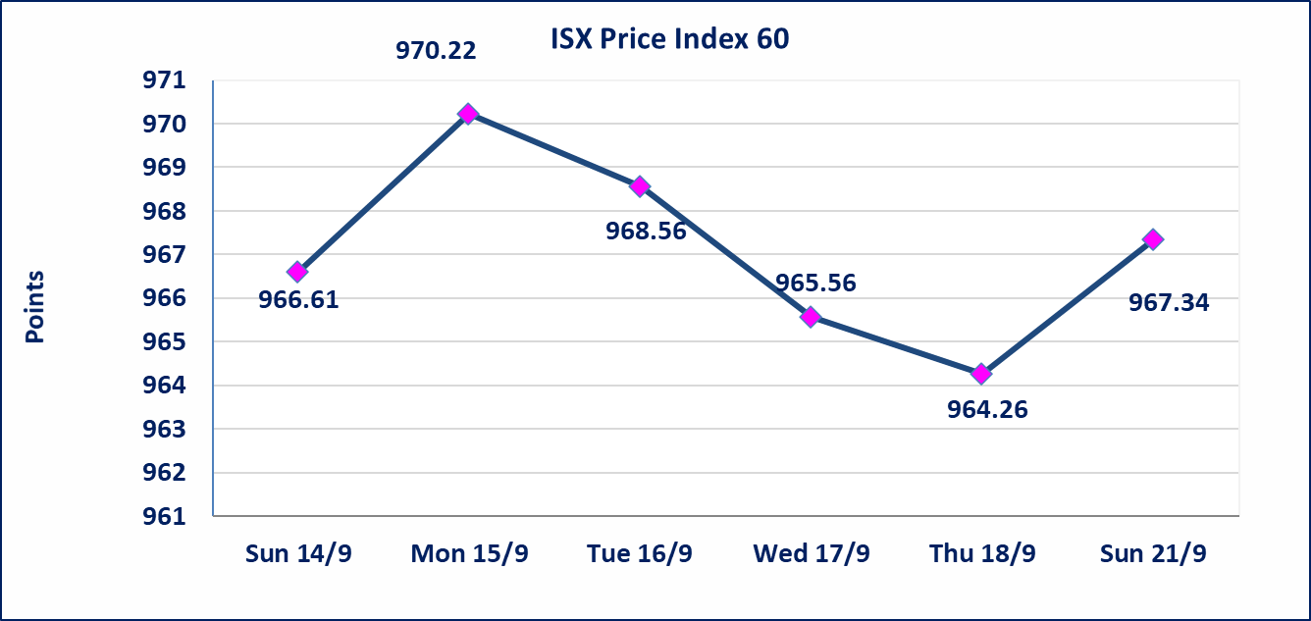
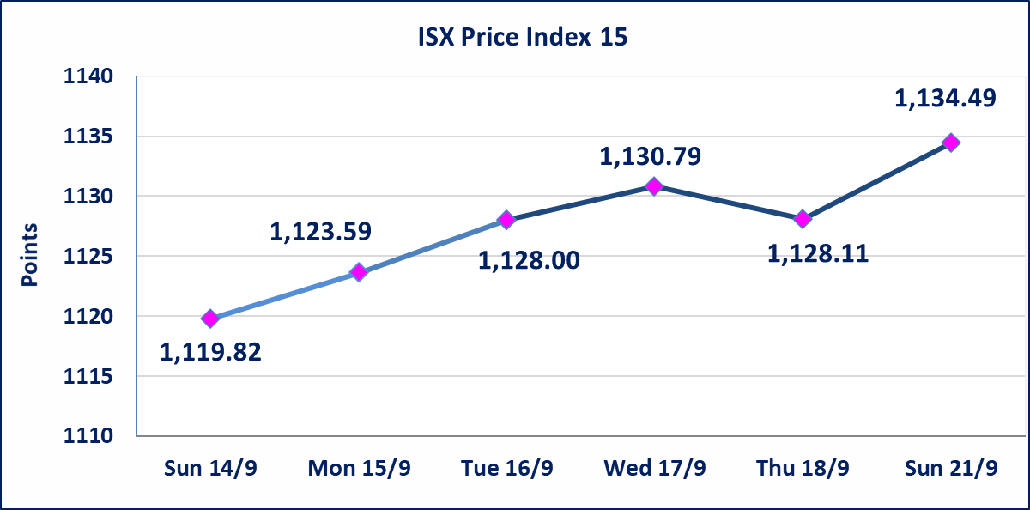

Al-Alwiya P.O . 3607 Mobile: 07711211522 - 07270094594 - 07834000034 E-mail: info-isx@isx-iq.net Web site:www.isx-iq.net

Top 5
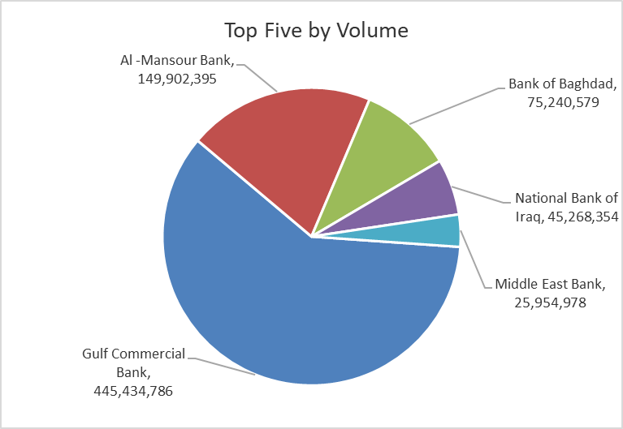
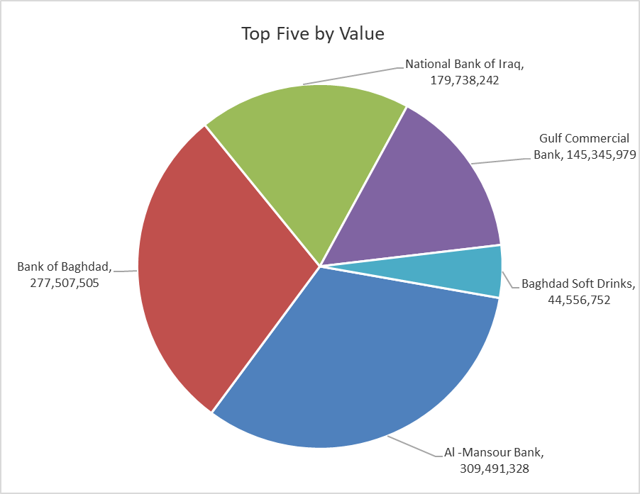
ISX top ganing and losing companies
Sunday 21/9/2025
Gainers |  |  |  | Losers
Company Name | Closing Price | Change (%) | Traded Volume | Company Name | Closing Price | Change (%) | Traded Volume
Al-Taif Islamic Bank | 0.800 | 14.29 | 500,000 | Iraqi Carton Manufactories | 1.150 | -4.17 | 2,550,000
Ishtar Hotels | 9.250 | 2.78 | 366,009 | Gulf Commercial Bank | 0.320 | -3.03 | 445,434,786
Babylon Hotel | 100.000 | 2.04 | 17,100 | Iraqi Date Processing and Marketing | 2.830 | -2.41 | 155,513
Credit Bank Of Iraq | 0.720 | 1.41 | 372,967 | Agricultural Products Meat | 4.900 | -2.00 | 49,701
Baghdad Hotel | 11.400 | 1.33 | 220,011 | General Transportation | 1.560 | -1.27 | 1,592,747

The most active companies in term of traded volume and value

Traded Volume |  |  |  | Traded Value
Company Name | Closing Price | Change (%) | Traded Volume | Company Name | Closing Price | Change (%) | Traded Value
Gulf Commercial Bank | 0.320 | -3.03 | 445,434,786 | Al -Mansour Bank | 2.070 | 0.98 | 309,491,328
Al -Mansour Bank | 2.070 | 0.98 | 149,902,395 | Bank of Baghdad | 3.690 | 0.54 | 277,507,505
Bank of Baghdad | 3.690 | 0.54 | 75,240,579 | National Bank of Iraq | 3.950 | 0.51 | 179,738,242
National Bank of Iraq | 3.950 | 0.51 | 45,268,354 | Gulf Commercial Bank | 0.320 | -3.03 | 145,345,979
Middle East Bank | 0.070 | 0.00 | 25,954,978 | Baghdad Soft Drinks | 4.680 | 0.21 | 44,556,752

Non Iraqis

Iraq Stock Exchange
Non Iraqis' Bulletin Sunday Sept 21 2025
Regular Market

Non Iraqi Trading of Regular Market (Buy)
Company Names | Code | No.of trades | Traded Shares | Trading Volume
Banks Sector
Al-Tife Islamic Bank | BTIB | 6 | 500,000 | 368,908
Total Bank sector |  | 6 | 500,000 | 368,908
Grand Total |  | 6 | 500000 | 368908

Non Iraqi Trading of Regular Market (Sell)
Company Names | Code | No.of trades | Traded Shares | Trading Volume
Banks Sector
Al-Mansour Bank | BMNS | 22 | 50,000,000 | 103,000,000
Total Bank sector |  | 22 | 50,000,000 | 103,000,000
Grand Total |  | 22 | 50000000 | 103000000

Non Iraqi Trading of Second Market (Sell)
Company Names | Code | No.of trades | Traded Shares | Trading Volume
Industry sector
Fallujah for Construction Materials | IFCM | 8 | 5,429,573 | 16,505,902
Total Industry sector |  | 8 | 5,429,573 | 16,505,902
Grand Total |  | 8 | 5429573 | 16505902

